Cover
Utility Greenhouse Gas Emissions Report - CY 2020
Starting in 2021, each utility must calculate and report the greenhouse gas content of the electricity it provides to retail customers in Washington. This calculation must be based on the amounts and fuel sources claimed in the fuel mix disclosure program. Emissions must be calculated using a methodology established by the Department of Ecology.
WAC 173-444-040: Greenhouse gas content calculation. Use the following methods to calculate the greenhouse gas emissions content in electricity. (1) Utility emissions. (a) Total annual utility greenhouse gas emissions are calculated using Equation 1 of this subsection. Equation 1 Utility Emissions = EPA + EIA + unspecified Where: • Utility emissions = Total of all GHG emissions for the facility for the calendar year, metric tons CO2e/year. • EPA = Total of all GHG emissions calculated using the EPA methodology in subsection (2) of this section, metric tons CO2e/year. • EIA = Total of all GHG emissions calculated using the EIA methodology in subsection (3) of this section, metric tons CO2e/year. • Unspecified = Total of all GHG emissions calculated using the unspecified electricity methodology in subsection (4) of this section, metric tons CO2e/year. (b) Do not include nonemitting electric generation and renewable resources when calculating utility emissions using Equation 1 of this subsection. (c) Methodology selection: (i) Use the conditions in subsections (2)(g), (3)(f), and (4) of this section to determine the appropriate method for a given quantity of electricity. Figure 1 of this subsection provides a simplified representation of the method selection process, but subsections (2)(g), (3)(f), and (4) of this section take precedence. (ii) The methodologies in subsections (2) through (4) of this section are ordered from most to least preferred, with subsection (2) of this section being the most preferred. (iii) The regulatory agency may instruct a utility to use a specific method from this section on a case-by-case basis if the regulatory agency determines another method is not appropriate in that case. Figure 1: Simplified representation of the method selection process
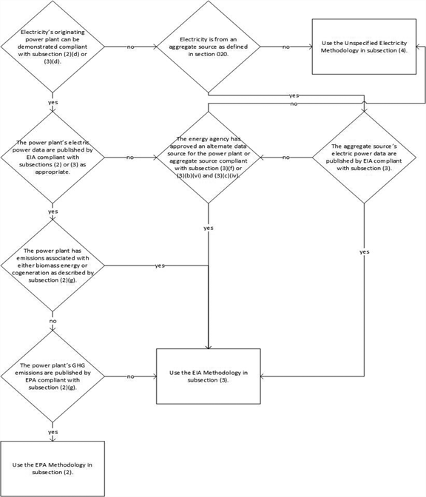

(2) EPA methodology. This methodology calculates greenhouse gas emissions content in electricity using public data from the Environmental Protection Agency's (EPA) Greenhouse Gas Reporting Program established under 40 C.F.R. Part 98 as adopted by WAC 173-441-120 and public data from the Energy Information Administration's (EIA) Form EIA-923 program. (a) GHG emissions from each power plant are calculated individually then summed to create a utility specific total for this method using Equation 2 of this subsection.

Where: • EPA = Total of all GHG emissions calculated using the EPA methodology, metric tons CO2e/year. • EPA plant GHG emissions = sum of all GHG emissions from the individual power plant as calculated by subsection (2)(b) of this section, metric tons CO2e/year. • Cogeneration correction factor = ratio of electric energy to total energy for the individual power plant as calculated by subsection (2)(f) of this section, unitless. • Plant net electric generation = sum of all net generation from the individual power plant as calculated by subsection (2)(c) of this section, MWh/year. • Utility claims = sum of all utility claims for the individual power plant as calculated by subsection (2)(d) of this section, MWh/year. • Transmission losses = estimate of transmission losses between the individual power plant and utility customers as calculated by subsection (2)(e) of this section, MWh/year. • n = number of power plants with utility claims using this method in the given calendar year. (b) EPA plant GHG emissions. GHG emissions for this method are defined as the sum of all Subpart C and Subpart D emissions from the individual power plant as published by EPA based on 40 C.F.R. Part 98 reporting consistent with the methods adopted in WAC 173-441-120. Emissions are on a calendar year basis and in units of metric tons CO2e. Use emissions values specific to the calendar year in the calculation. If EPA has not yet published emissions values for the calendar year in the calculation, use the most recent five year rolling average published emissions values. The total must include all reported GHGs, including biogenic CO2, listed in Table A-1 of WAC 173-441-040 converted into CO2e as specified in that section. (c) Plant net electric generation. Sum of all annual net generation (megawatt-hours) from Form EIA-923 for the power plant for the calendar year for all reported fuel type codes. (d) Utility claims. Claims of the reporting utility for the power plant measured at the busbar for
(3) EIA methodology. This methodology calculates greenhouse gas emissions content in electricity using public data from the EIA's Form EIA-923 program or an approved alternate data source. (a) GHG emissions from each power plant or aggregate source are calculated individually then summed to create a utility specific total for this method using Equation 3 of this subsection.
Where: • EIA = Total of all GHG emissions calculated using the EIA methodology, metric tons CO2e/year. • EIA GHG emissions = sum of all GHG emissions from the individual power plant or aggregate source as calculated by subsection (3)(b) of this section, metric tons CO2e/year. • Net electric generation = sum of all net generation from the individual power plant or aggregate source as calculated by subsection (3)(c) of this section, MWh/year. • Utility claims = sum of all utility claims for the individual power plant or aggregate source as calculated by subsection (3)(d) of this section, MWh/year. • Transmission losses = estimate of transmission losses between the individual power plant or aggregate source and utility customers as calculated by subsection (3)(e) of this section, MWh/year. • n = number of power plants and aggregate sources with utility claims using this method in the given calendar year. (b) EIA GHG emissions. GHG emissions for this method are defined as the sum of all GHG emissions from the individual power plant or aggregate source based on fuel quantities published by EIA or from an approved alternate source. Emissions are on a calendar year basis and in units of metric tons CO2e. (i) GHG emissions are calculated separately for either: (A) Whenever possible: Each power plant, calendar year, and reported fuel type; or (B) When power plant information is not available: Each aggregate source, calendar year, and source type. (ii) GHG emissions for nonemitting electric generation and renewable resources must be calculated, but kept separate from other types of GHG emissions. (iii) GHG emissions, including CO2, CH4, and N2O, from combustion are calculated using the Tier 1 Calculation Methodology in Subpart C of 40 C.F.R. Part 98 as adopted by WAC 173-441-120. (A) For fuel quantity use one of the following: (I) For plant level emissions use annual electric fuel consumption quantity; or (II) For aggregate source level emissions use the total fuel consumpti
(D) Calculate emissions for carbon dioxide, methane, and nitrous oxide. Calculate total GHG emissions for each fuel type using Equation A-1 of WAC 173-441-030. (iv) Fugitive CO2 emissions from steam geothermal sources must be calculated by multiplying plant net electric generation from steam geothermal sources as described in subsection (3)(c) of this section by 0.04028 metric tons/MWh. Add this value to the combustion emissions calculated in subsection (3)(b)(iii) of this section. (v) Sum total GHG emissions for all fuel types to get the total power plant or aggregate source GHG emissions for the year, including nonemitting electric generation and renewable resources. Provide a second total that excludes nonemitting electric generation and renewable resources. (vi) GHG emissions from an asset-controlling supplier aggregate source may be a single value, including multiple source types, specific to that asset-controlling supplier provided that the value was originally calculated in accordance with this chapter and approved by the regulatory agency. (c) Net electric generation. Calculate the net electric generation, using one of the following: (i) For plant net electric generation sum all net generation (megawatt-hours) for the power plant for the calendar year for all reported fuel type codes; (ii) For aggregate source net electric generation sum all net generation (megawatt-hours) for the aggregate source for the calendar year; (iii) The regulatory agency may approve an alternate net electric generation data source for the plant or aggregate source; or (iv) Net electric generation from an asset-controlling supplier aggregate source may be a single value, including multiple source types, specific to that asset-controlling supplier provided that the value was originally calculated in accordance with this chapter and approved by the regulatory agency. (d) Utility claims. Claims of the reporting utility for the power plant or aggregate source measured at the busbar for

Where: • Unspecified = Total of all GHG emissions calculated using the unspecified electricity methodology, metric tons CO2e/year. • UE = Total electricity subject to this method, MWh/calendar year. • UCO2e = 0.437 metric tons CO2e/MWh of electricity. (5) Transmission losses. Calculate transmission losses using the following method as directed by the regulatory agency. (a) Calculate transmission losses at the following levels from most to least preferred depending on data availability: (i) Specific to the individual power plant; (ii) Specific to the aggregate source; (iii) Generalized for the utility. (b) Use one of the following to calculate transmission losses: (i) If utility claims are reported on a sales basis, then multiply total sales in MWh by 1-(retail sales MWh/total claims MWh). (ii) Transmission losses in this equation are zero MWh if: (A) Utility claims are reported on a plant net output basis, like utility claims measured at the busbar; or (B) The emissions rate already includes transmission losses; or (C) The emissions rate is from an asset-controlling supplier where that emissions rate was approved by the regulatory agency. (iii) If unable to calculate transmission losses using subsection (5)(b)(i) or (ii) of this section, then multiply utility claims in MWh by: (A) 5%; or (B) A value specified by the regulatory agency. [Statutory Authority: Chapter 19.405 RCW, RCW 19.405.020(18), 19.405.040, 19.405.100 and 70A.45.010. WSR 21-02-091 (Order 19-08), § 173-444-040, filed 1/6/21, effective 2/6/21.]

