charts
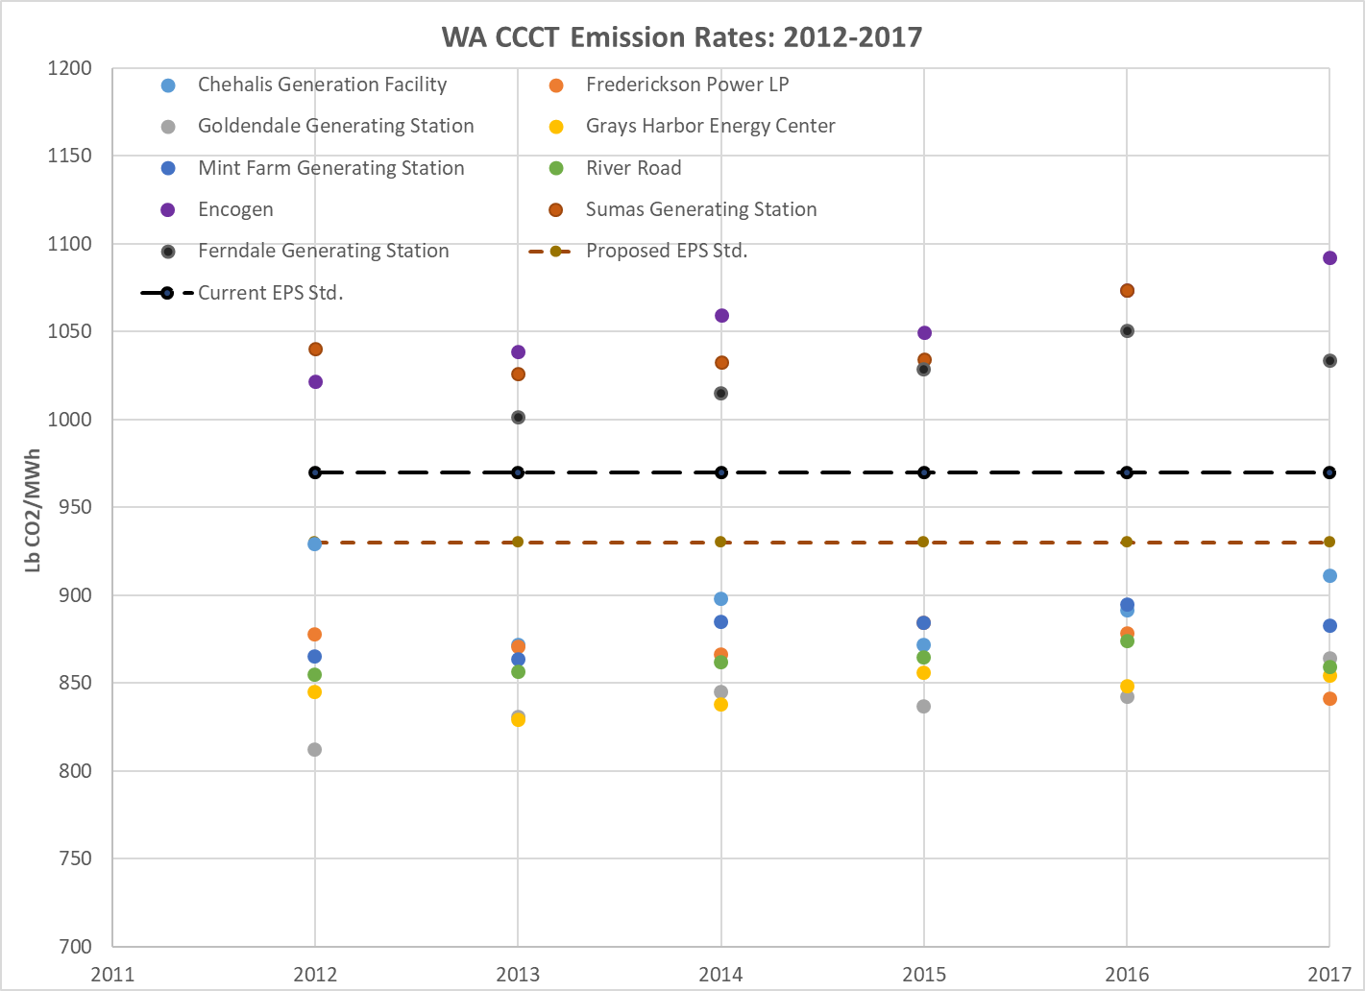
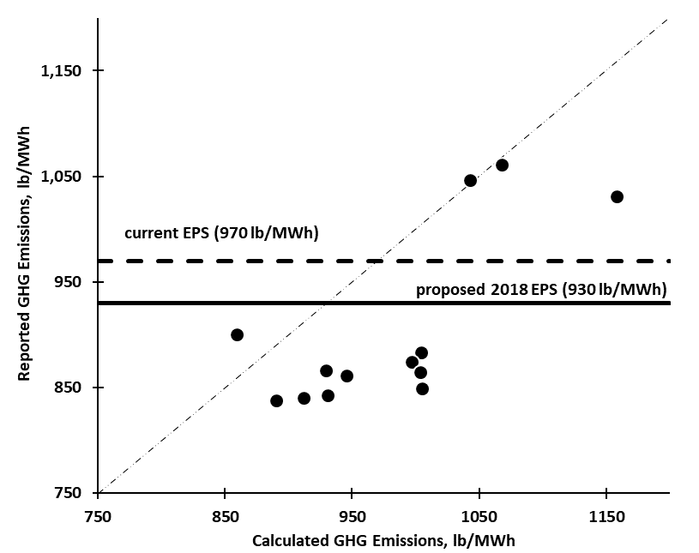
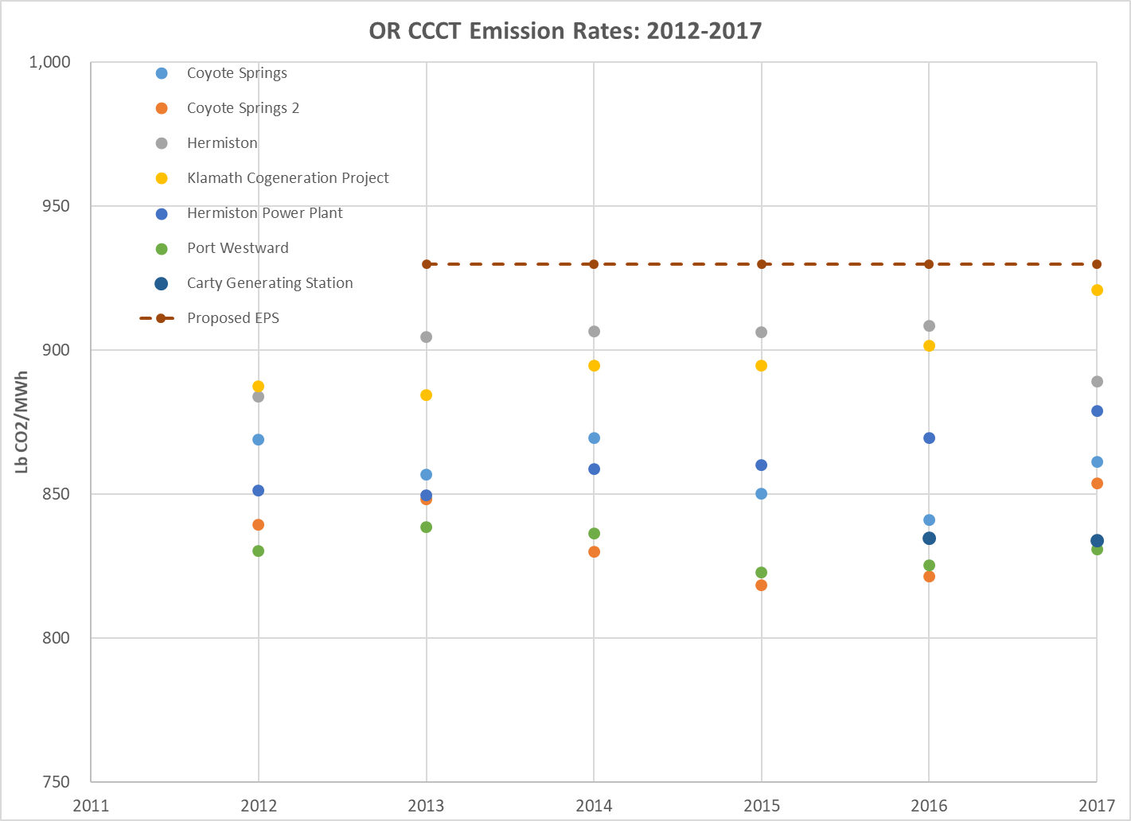
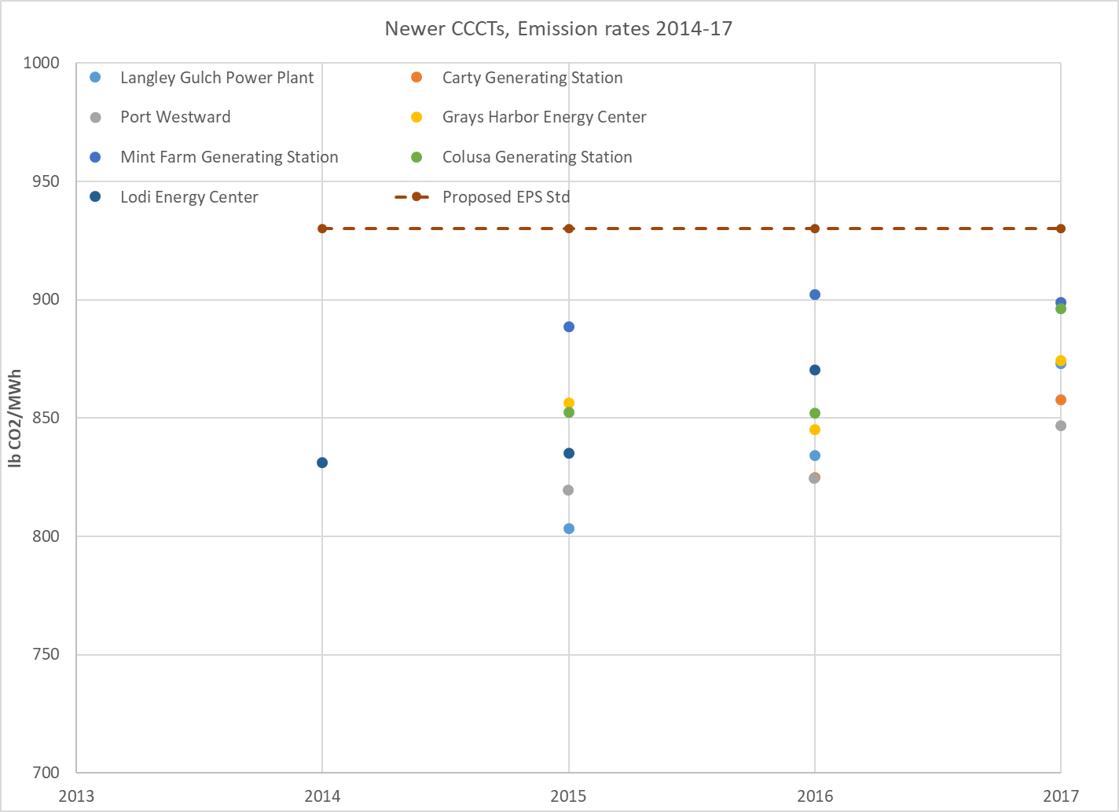
All CCCT Capital Cost vs. GHG Emission- excludes oldest CCCTs, 2012 EPS
972 | 552
943 | 568
934 | 499
1056 | 644
1013 | 806
927 | 546
924 | 510
944 | 495
904 | 461
949 | 569
945 | 489
1053 | 853
Capital cost | emission rate
$/Kilowatt | lb/MWh
All CCCTs | All CCCTs
552 | 972
568 | 943
499 | 934
644 | 1056
806 | 1013
546 | 927
510 | 924
495 | 944
461 | 904
569 | 949
489 | 945

853 | 1053
583 | 964
ave. | ave.

