Instructions
Enter the number of cumulative clients served by the Project Sponsor and any subgrantees, per budget category, for the billing period
Enter month and year for the invoice here
Enter the names of subgrantees (if applicable) in cells L13-O13

Enter your agency name here

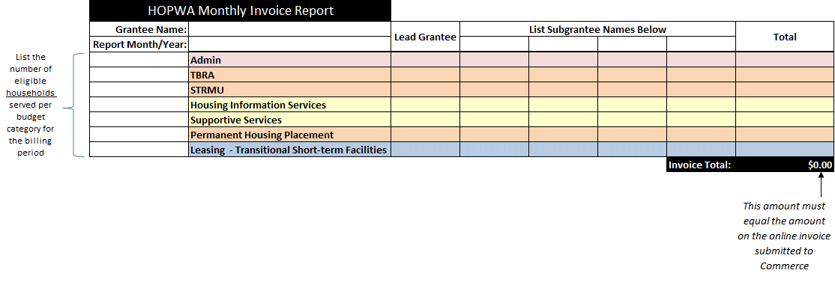

Make sure this equals the total request on the invoice

Enter your agency expensese in this column

Enter subgrantee expensese in these columns

