Instructions
Instructions for using the CHG Income Eligibility Worksheet

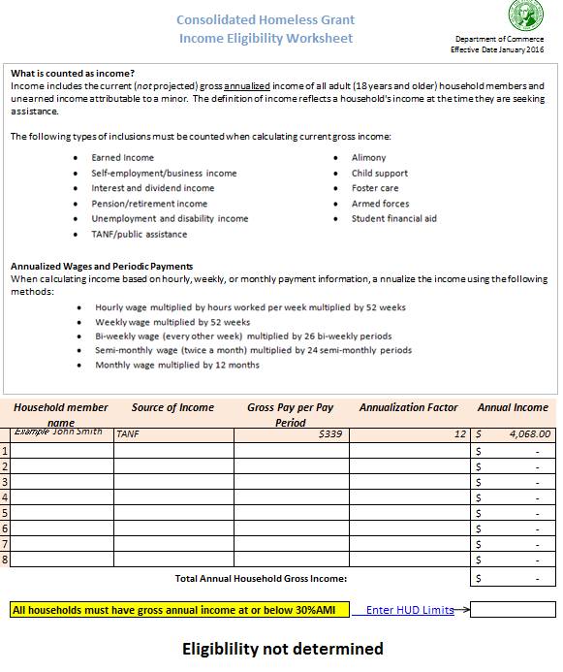

1- Enter name, source of income, gross amount per pay period and annualization factor in row 1 of the form.
Use additional rows for different income sources and household members.
See section 4.4.1 of the CHG Guidelines for detail on annualization of income.
See Appendix G of the CHG Guidelines for information on income inclusions and exclusions.

 | 2- Enter income limits based on County, 30% AMI (Extremely Low Income Limits), and family size from the HUD website.

3- Household eligibility will be displayed here.

Eligibility Worksheet
Consolidated Homeless Grant
Income Eligibility Worksheet

 |  |  |  |  | Updated 8-31-2016

What is counted as income?
Income includes the current (not projected) gross annualized income of all adult (18 years and older) household members and unearned income attributable to a minor. The definition of income reflects a household's income at the time they are seeking assistance.
The following types of inclusions must be counted when calculating current gross income:
Annualized Wages and Periodic Payments
When calculating income based on hourly, weekly, or monthly payment information, a annualize the income using the following methods:

 | Household member name | Source of Income | Gross Pay per Pay Period | Annualization Factor | Annual Income
 | Example John Smith | SSI | $895 | 12 | $10,740.00
1 |  |  |  |  | $-
2 |  |  |  |  | $-
3 |  |  |  |  | $-
4 |  |  |  |  | $-
5 |  |  |  |  | $-
6 |  |  |  |  | $-
7 |  |  |  |  | $-
8 |  |  |  |  | $-
 |  |  | Total Annual Household Gross Income: |  | $-

 | All households must have gross annual income at or below 30%AMI |  |  | Enter HUD Limits

 | Eligiblility not determined

